Example 1
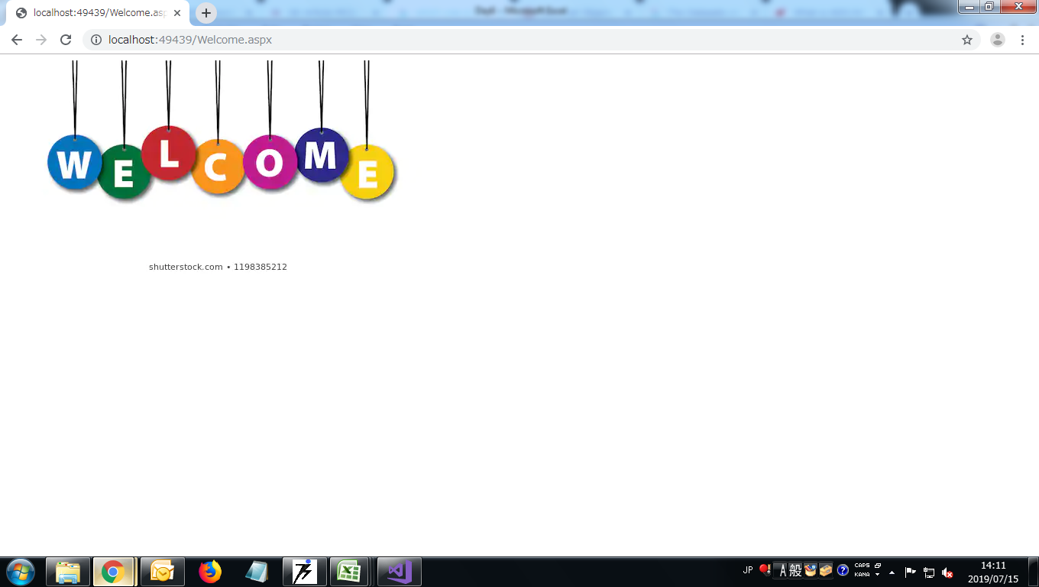
Example 1
Screen Layout 1 | 1


Screen Layout 2


Screen Layout 3

